Intro
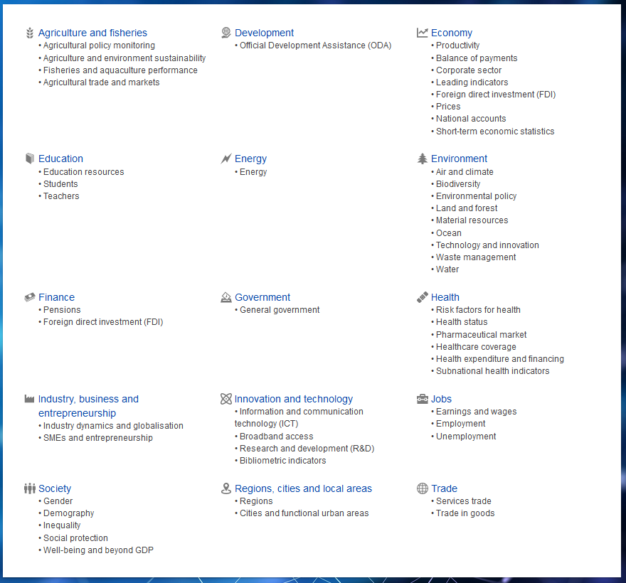
Factor ideas (ChatGPT) |  | Data Dictionary | Index Creation Dates |  |  | OECD Data
DE |  | Riskfree Rate | ASX 200 | 2000-04-03 | (before it was All Ordinaries, founded in 01/1980)
interest rates (ECB) |  |  | Nikkei 225 | all good
Inflation rate |  |  | DAX | all good
EUR/USD X rate |  |  | CAC 40 | all good
GDP growth |  |  | SP 500 | all good
Chinese GDP Growth |  |  | FTSE 100 | all good
Manufacturing PMI (Purchasing Manager's Index)
US unemployment rate
Oil prices
Metal prices
Fed fund rates
Current account balance
Industrial production
Term structure
Unemployment

https://fred.stlouisfed.org/series/TB3MS | US risk-free

